AVENTURIA - Stories & Legends
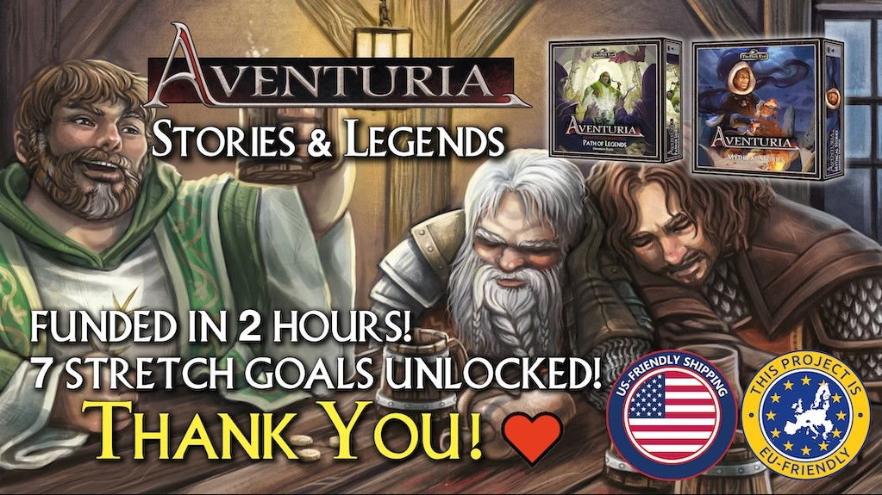

Aventuria - Stories & Legends Crowdfunding Guide by Hinter dem Schwarzen Auge (Behind the Dark Eye) |  |  |  |  |  |  |  |  |  |  |  |  | (German) News, Podcast, Discord, Twitch, YouTube
 |  |  |  |  |  |  | Link to the crowdfunding: |  |  |  |  |  | https://hinter-dem-schwarzen-auge.de/links
Please put x here for your |  |  |  |  |  |  | https://www.kickstarter.com/projects/ulissesspiele/aventuria-stories-and-legends
 |  |  |  |  |  |  | The products marked in green are included in the corresponding pledge pevel (when you select a bundle, included products are marked green in the first column)
desired products |  | © 2023 by Ulisses Spiele GmbH |  |  |  |  | The products marked in orange must be added to the corresponding pledge level as an add on on the pledge manager after the CF

↓ |  | Note: All prices are shown in € on the crowdfunding page, but according to Ulisses you only pay the USD price (an offset will be made during shipping). |  |  |  |  | New Heroes | New to Aventuria | New Stories & Legends | New Stories, Legends & Heroes | Expanded New to Aventuria | All-Venturia | (all price information without guarantee!)
Desired products (set "x") | Products of the crowdfunding | Type | BGG (link) | cards | heroes | adven-tures | $45 | $120 | $145 | $180 | $299 | $599 | Price as add on | Retail price | Notes
 | Aventuria - Path of Legends Box NEW * Legend Mode rules & cards * Legend cards for all 15 older heroes and many more | Box with 605 cards | 9.0 | 605 |  |  | Add on | Add on | µ | µ | µ | µ | $90 | $90 | Kickstarter exclusive (retail price as if retailed)
 | Aventuria - Path of Legends Box NEW * additional crowdfunding cards (goals 1, 4, 5, 10 - more to come at goal ...) | 84 additional cards | / | 84 | alternates |  | Add on | Add on | µ | µ | µ | µ | n.a. | $19 | Kickstarter exclusive (retail price based on price per card)
 | Aventuria - Mythical Stories Box NEW * Story Mode rules & cards * 16 locality sheets (for encounters between adventures) * Under the Northern Lights (4 acts) * The Roque shall die (3 acts) * The Legacy of Wildenstein Director's Cut (3 act adventure) - needs Aventuria - Adventure Card Game * Forest of No Return Director's Cut (3 act adventure) - needs Forest of No Return * Ship of Lost Souls Director's Cut (3 act adventure) - needs Ship of Lost Souls * Battle for Ilsur (single act adventure with 14 possible end fights) - optionally needs single cards from different expansions (depending on the end fight) * Treasure hunt (single act adventure) * Dragon eyes (single act expert adventure; can be used as "final one") - needs Tears of Fire | Box with 220 cards + 8 adventures (incl. 3 DCs) | 9.5 | 220 |  | 8 | Add on | Add on | µ | µ | µ | µ | $65 | $65 | Kickstarter exclusive (retail price as if retailed)
 | Aventuria - Mythical Stories Box NEW * additional crowdfunding cards (goals 2, 6, 8, 9, 12, 13, 15, 16 - more to come at goals ...) | 37 additional cards | / | 37 |  |  | Add on | Add on | µ | µ | µ | µ | n.a. | $8 | Kickstarter exclusive (retail price based on price per card)
 | Aventuria - Al'Anfanian Blessed One of Boron NEW * Zephira Golgarez, the Al'Anfanian Blessed One of Boron (incl. Legend cards & alternate) | 1 hero with 55 cards | 9.0 | 55 | 1 |  | µ | Add on | Add on | µ | µ | µ | $25 | $25 | Kickstarter exclusive (retail price as if retailed)
 | Aventuria - Garethian Double Mercenary NEW * Geron Bladebreaker, the Garethian Double Mercenary (incl. Legend cards & alternate) | 1 hero with 55 cards | 8.8 | 55 | 1 |  | µ | Add on | Add on | µ | µ | µ | $25 | $25 | Kickstarter exclusive (retail price as if retailed)
 | Aventuria - Stories & Legends soundtrack (goals 3, 7, 11, 14, 17 - more to come at goal ...) NEW | 5 mp3 tracks | / |  |  |  | µ | µ | µ | µ | µ | µ | n.a. | n.a. | Kickstarter exclusive
 | Aventuria - Saving Silvana Director's Cut (at goal 18) NEW * Saving Silvana Director's Cut (single act adventure) | 1 pdf adventure | / |  |  | 1 | µ | µ | µ | µ | µ | µ | n.a. | n.a. | Kickstarter exclusive
 | Aventuria - Adventure Card Game * Base game rules * Arbosh son of Angrax, the dwarven smith * Layariel Treetopglint, the elven scout * Carolan Calavanti, the half-elven rogue * Mirhiban Al'Orhima, the Tulamydian mage * Saving Silvana (single act adventure) * The Non-gambling kind (single act adventure) * The Legacy of Wildenstein (3 acts adventure) | 4 heroes + 3 adventures | 7.5 | 275 | 4 | 3 | Add on | µ | Add on | Add on | µ | µ | $50 | $50 | Already available product Needed for the whole game!
 | Aventuria - Forest of No Return * Hilbert from Auen, the Blessed One of Peraine * Forest of No Return (3 acts adventure) * Selemian Delusions (single act adventure) * Head Money (single act adventure) | 1 hero + 3 adventures | 8.0 | 120 | 1 | 3 | Add on | µ | Add on | Add on | µ | µ | $35 | $35 | Already available product Needed for Ship of Stone Needed for Mythical Stories
 | Aventuria - Ship of Lost Souls * Tjalva Garheltdottir, the Thorwalian warrior * Ship of Lost Souls (3 acts adventure) * Rietholtz’s Treasure (single act adventure) | 1 hero + 2 adventures | 8.0 | 120 | 1 | 2 | Add on | µ | Add on | Add on | µ | µ | $35 | $35 | Already available product Needed for Ship of Stone Needed for Mythical Stories
 | Aventuria - Ship of Stone - needs Aventuria - Forest of No Return & Aventuria - Ship of Lost Souls * Ship of stone (long single act expert adventure) | 1 adventures | 8.0 | 35 | 0 | 1 | Add on | µ | Add on | Add on | µ | µ | $20 | $20 | Already available product
 | Aventuria - Tears of Fire * 3-headed Giant Wyvern - playable in duel mode! * Tears of Fire (special adventure with the Giant Wyvern) | 3-headed Giant Wyvern + adventure | 7.9 | 144 | 0 | 1 | Add on | Add on | Add on | Add on | µ | µ | $35 | $35 | Already available product Needed for Mythical Stories
 | Aventuria - Black Boar Bundle ("Inn of the Black Boar" + "Return to the Inn of the Black Boar") | 1 big escape adventure + scenarios | / | 440 | 4 | 1 | Add on | Add on | Add on | Add on | Add on | included | $60 | $70 | Already available product; bundle discount
 | or just: Aventuria - Inn of the Black Boar * Palinai Erlendur of Kurkum, Amazon Warrior * Neerax Dal, the Grolm Merchant * Nicole Sororis, the Maraskan Buskur * Heigan Malleaux, the Tobrian Mercenary * Inn of the Black Boar (special dungeon escape adventure with 4 levels with 5 different encounters for each) | 1 big escape adventure | 8.0 | 385 | 4 | 1 | Add on | Add on | Add on | Add on | Add on | µ | $50 | $50 | Already available product
 | or just: Aventuria - Return to the Inn of the Black Boar (expansion to "Inn of the Black Boar") * 2 extra encounters for each level for "Inn of the Black Boar" | More scenarios for the Inn | 8.1 | 55 |  |  | Add on | Add on | Add on | Add on | Add on | µ | $20 | $20 | Already available product
 | Aventuria - Arsenal of Heroes | Extra cards for duel mode; 9 dice | 8.1 | 70 |  |  | Add on | Add on | Add on | Add on | Add on | µ | $35 | $35 | Already available product
 | Aventuria - Heroes' Struggle * Rovena from the Overwals, the catwitch * Witches’ Dance (single act adventure) * A Goblin more or less (single act adventure) * The Skinned Snake (single act adventure) * Kibakadabra (single act adventure) * The Thorwal Drum (single act adventure) * Emperor of Thieves (single act adventure) | 1 hero + 6 short adventures | 8.2 | 120 | 1 | 6 | Add on | Add on | Add on | Add on | Add on | µ | $35 | $35 | Already available product
 | Aventuria - Solo bundle (Nedime - The Caliph's Daughter + Curse of Borbarad) | 2 solo adventures | / | 310 |  | 2 | Add on | Add on | Add on | Add on | Add on | included | $80 | $90 | Already available product; bundle discount
 | or just Aventuria - Nedime - The Caliph's Daughter Adventure Set * Nedime - The Caliph's Daughter (long solo adventure with different rounds) | 1 solo adventure | 8.0 | 170 |  | 1 | Add on | Add on | Add on | Add on | Add on | µ | $45 | $45 | Already available product
 | or just: Aventuria - Curse of Borbarad Adventure Set * Curse of Borbarad (long solo adventure with different rounds) | 1 solo adventure | 8.4 | 140 |  | 1 | Add on | Add on | Add on | Add on | Add on | µ | $45 | $45 | Already available product
 | Aventuria - Hero bundle (4 hero sets + Wheel of life) | 4 heroes + 4 adventures + 10 wheels | / | 220 | 4 | 4 | Add on | Add on | Add on | Add on | Add on | included | $100 | $125 | Already available product; bundle discount
 | or just: Aventuria - Servant of the Nameless One Hero Set * Zardok of Marternpfuhl, the Consecrated One of the Nameless * Thieves in Khezzara (single act adventure) | 1 hero + 1 adventure | 8.1 | 55 | 1 | 1 | Add on | Add on | Add on | Add on | Add on | µ | $25 | $25 | Already available product
 | or just: Aventuria - Magistra of Alchemy Hero Set * Niam Hassanesz, the Mengbillan magician * Commando Greifax (single act adventure) | 1 hero + 1 adventure | 7.9 | 55 | 1 | 1 | Add on | Add on | Add on | Add on | Add on | µ | $25 | $25 | Already available product
 | or just: Aventuria - Veil Dancer Hero Set * Karima al'Jamila, the Novadian Sharisad * The Orgy of Thorns (2 act erotic adventure) | 1 hero + 1 adventure | 8.0 | 55 | 1 | 1 | Add on | Add on | Add on | Add on | Add on | µ | $25 | $25 | Already available product
 | or just: Aventuria - Treasure Hunter Hero Set * Meridiana" Bornski, the Festum's explorer * Pearl Robber (long single act adventure) | 1 hero + 1 adventure | 7.9 | 55 | 1 | 1 | Add on | Add on | Add on | Add on | Add on | µ | $25 | $25 | Already available product
 | or just: Aventuria - Wheel of Life - Rad des Lebens | 10 universal HP wheels |  |  |  |  | Add on | Add on | Add on | Add on | Add on | µ | $25 | $25 | Already available product
 | Aventuria - Master Tailor's Poltergeists Demoset * Master Tailor's Poltergeists (short introductory adventure) | 1 introductory adventure | 8.0 | 55 |  | 1 | Add on | Add on | Add on | Add on | Add on | µ | $15 | $15 | Already available product
 | Value of the components of the respective pledge level |  |  |  |  |  | $50 | $140 | $183 | $233 | $408 | $778

Your costs | You pay in total for the respective combination that covers your desired package including the add ons and the number of cards, heroes and adventures in your desired package |  |  | 0 | 0 | 0 | $45 | $120 | $145 | $180 | $299 | $599 | (all information without guarantee!)
 | You pay less (green amount) or pay more (red amount) if you choose the following pledge … | New Heroes |  |  |  |  | / | -$75 | -$100 | -$135 | -$254 | -$554
 |  | New to Aventuria |  |  |  |  | $75 | / | -$25 | -$60 | -$179 | -$479
 |  | New Stories & Legends |  |  |  |  | $100 | $25 | / | -$35 | -$154 | -$454
 |  | New Stories, Legends & Heroes |  |  |  |  | $135 | $60 | $35 | / | -$119 | -$419
 |  | Expanded New to Aventuria |  |  |  |  | $254 | $179 | $154 | $119 | / | -$300
 |  | All-Venturia |  |  |  |  | $554 | $479 | $454 | $419 | $300 | /

Your savings | Retail price of your desired products in total |  |  |  |  |  |  |  |  |  |  |  | (some of the products might never come to retail stores)
 | Discount that your combination thus grants compared to the purchase at retail price |  |  |  |  |  | -$45 | -$120 | -$145 | -$180 | -$299 | -$599
 | In % |  |  |  |  |  | 0% | 0% | 0% | 0% | 0% | 0%

Your extra products | Value of the extra products you get with your combination that are not part of your desired products |  |  |  |  |  | +$50 | +$140 | +$183 | +$233 | +$408 | +$778 | (some of the products might never come to retail stores)
 | Your combination's costs at retail price in total |  |  |  |  |  | $50 | $140 | $183 | $233 | $408 | $778
Total discount | Your combination thus grants this total discount compared to the retail price |  |  |  |  |  | $5 | $20 | $38 | $53 | $109 | $179
 | In % |  |  |  |  |  | 10% | 14% | 21% | 23% | 27% | 23%

Desired products (set number (sleeves) or "x") | Additional products & estimated shipping fees (choose number of sleeve packages and your shipping destination) | Type |  |  |  |  | New Heroes | New to Aventuria | New Stories & Legends | New Stories, Legends & Heroes | Expanded New to Aventuria | All-Venturia | Price as add on | Retail price
0 | Aventuria - Printed premium sleeves package | 50 printed premium sleeves |  |  |  |  | Add on | Add on | Add on | Add on | Add on | Add on | $6.00 | $6.00
0 | Aventuria - Clear premium sleeves package | 50 clear premium sleeves |  |  |  |  | Add on | Add on | Add on | Add on | Add on | Add on | $6.00 | $6.00
x | Shipping USA (Continental) | Maximum shipping fees (including only the pledge level - Add ons and multiple pledges may increase shipping fees!) Shipping fees will be charged in the pledge manager after the campaign has ended. If you faced problems with USD / EUR and paied to much, this will be credited towards the shipping during the pledge manager! |  |  |  |  | $18 | $24 | $24 | $24 | $27 | $35 | (all information without guarantee!)
 | Shipping USA (Alaska, Hawaii) |  |  |  |  |  | $35 | $45 | $45 | $45 | $50 | $70
 | Shipping Canada - your country might add additional taxes |  |  |  |  |  | $25 | $30 | $30 | $30 | $40 | $50
 | Shipping United Kingdom - your country might add additional taxes |  |  |  |  |  | $20 | $24 | $24 | $24 | $27 | $39
 | Shipping EU |  |  |  |  |  | $18 | $24 | $24 | $24 | $27 | $35
 | Shipping Australia - your country might add additional taxes |  |  |  |  |  | $30 | $35 | $35 | $35 | $40 | $50
 | Shipping New Zealand - your country might add additional taxes |  |  |  |  |  | $35 | $40 | $40 | $40 | $45 | $55
 | Shipping Asia - your country might add additional taxes |  |  |  |  |  | $25 | $30 | $30 | $30 | $50 | $70
 | Shipping Rest of the World - your country might add additional taxes |  |  |  |  |  | $50 | $70 | $70 | $70 | $90 | $100
Your costs | You pay in total for your desired products including add ons and (estimated) shipping fees |  |  |  |  |  | $63 | $144 | $169 | $204 | $326 | $634
Disclaimer:
This guide is a purely private story and without guarantee of completeness and 100% correctness!
In the event of errors on my part, Ulisses Spiele is NOT to be held responsible! And also not me ;)
You are very welcome to report errors to me in the CF comments or at the blog.
And now on to new stories and let's become legends!
Yours Gernot

